Sheet1
Figure 2.1: Income inequality in America, Britain, and the Netherlands/Holland, 1732-2010

JPEG supplied by Author:
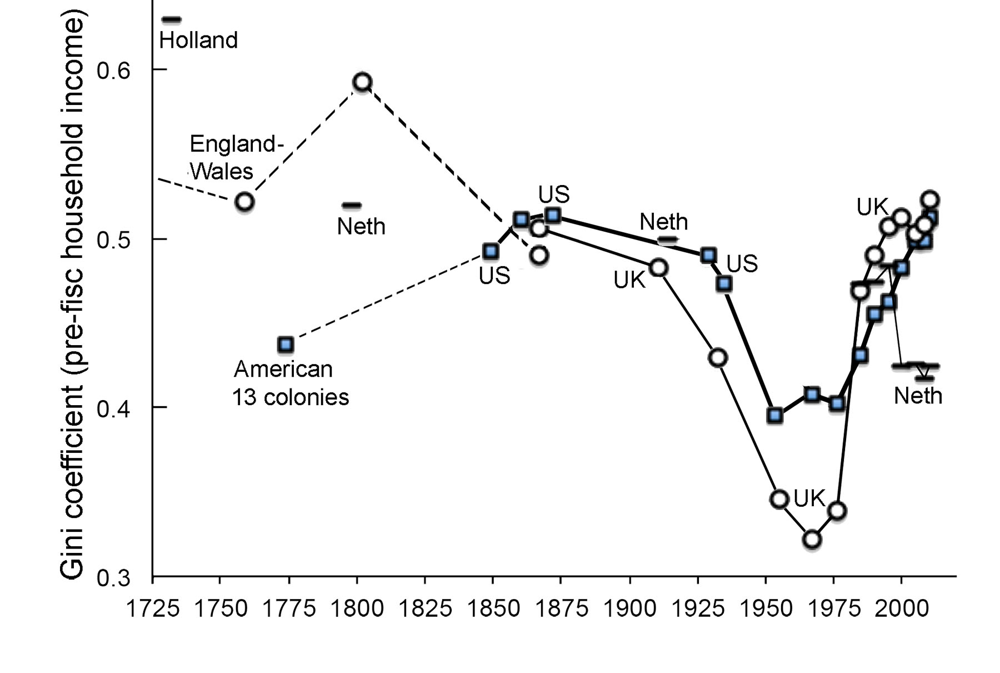

Source: Lindert, P. H. and Williamson, J. G. (2016) Unequal Gains:
American growth and inequality since 1700, Princeton: Princeton
University Press, figure 5.4. Reproduced with permission from Peter
Lindert, http://voxeu.org/article/american-growth-and-inequality-1700.
Note the UK is more unequal than the USA prior to tax and welfare
redistribution.

graph gini
 | America | Britain | Netherlands
1732 |  |  | 0.63
1759 |  | 0.522
1774 | 0.437
1798 |  |  | 0.52
1802 |  | 0.593
1850 | 0.487
1860 | 0.511 | 0.49
1867 |  | 0.506
1870 | 0.511
1911 |  | 0.483
1914 |  |  | 0.5
1929 | 0.49
1935 | 0.47
1938 |  | 0.423
1954 | 0.39 | 0.342
1967 | 0.408 | 0.322
1976 | 0.402 | 0.339
1985 | 0.431 | 0.469 | 0.473
1990 | 0.455 | 0.49 | 0.474
1995 | 0.463 | 0.507 | 0.484
2000 | 0.483 | 0.512 | 0.424
2005 | 0.498 | 0.503 | 0.426
2008 | 0.498 | 0.508 | 0.417
2010 | 0.512 | 0.523 | 0.424
 |  | Off-graph 1688 E&W: gini = 0.556.
 | For Figure 5-3

 | America | Britain | Netherlands | Notes |  |  |  | America | Britain | Netherlands
1732 |  |  | 0.63 | (Holland) |  |  | 1732 |  |  | 0.63 | (Holland)
1759 |  | 0.522 |  | (Eng-Wales) |  |  | 1759 |  | 0.522 |  | (Eng-Wales)
1774 | 0.437 |  |  |  |  |  | 1774 | 0.437
1798 |  |  | 0.520 |  |  |  | 1798 |  |  | 0.520
1802 |  | 0.593 |  | (Eng-Wales) |  |  | 1802 |  | 0.593 |  | (Eng-Wales)
1850 | 0.487 |  |  |  |  |  | 1850 | 0.487
1860 | 0.511 | 0.490 |  | (Eng-Wales 1867) |  |  | 1860 | 0.511 | 0.490 |  | (Eng-Wales 1867)
1867 |  | 0.506 |  | (UK) |  |  | 1867 |  | 0.506 |  | (UK)
1870 | 0.511 |  |  |  |  |  | 1870 | 0.511
1911 |  | 0.483 |  | (UK) |  |  | 1911 |  | 0.483 |  | (UK)
1914 |  |  | 0.500 |  |  |  | 1914 |  |  | 0.500
1929 | 0.490 |  |  | USA = ("consumer units") |  |  | 1929 | 0.490 |  |  | USA = ("consumer units")
1935 | 0.470 |  |  |  |  |  | 1935 | 0.470
1938 |  | 0.423 |  |  |  |  | 1938 |  | 0.423
1954 | 0.390 | 0.342 |  |  |  |  | 1954 | 0.390 | 0.342
1967 | 0.408 | 0.322 |  | UK = APS |  |  | 1967 | 0.408 | 0.322 |  | UK = APS
1976 | 0.402 | 0.339 |  | UK = APS |  |  | 1976 | 0.402 | 0.339 |  | UK = APS
1985 | 0.431 | 0.469 | 0.473 | USA = APS |  |  | 1985 | 0.431 | 0.469 | 0.473
1990 | 0.455 | 0.490 | 0.474 |  |  |  | 1990 | 0.455 | 0.490 | 0.474
1995 | 0.463 | 0.507 | 0.484 |  |  |  | 1995 | 0.463 | 0.507 | 0.484
2000 | 0.483 | 0.512 | 0.424 |  |  |  | 2000 | 0.483 | 0.512 | 0.424
2005 | 0.498 | 0.503 | 0.426 |  |  |  | 2005 | 0.498 | 0.503 | 0.426
2008 | 0.498 | 0.508 | 0.417 |  |  |  | 2008 | 0.498 | 0.508 | 0.417
2010 | 0.512 | 0.523 | 0.424 |  |  |  | 2010 | 0.512 | 0.523 | 0.424
 |  | | |  |  |  |  |  |  | |
 |  | Appear too high. |  |  |  |  |  |  | Appear too high.

 |  | UK, 1938–1954, estimates are from the Inland Revenue’s Survey of Personal Incomes. See Royal Commission 1977, 240–43. NB: Surveys, not tax returns.
 |  | UK, 1967-2006 = Atkinson, Piketty, Saez 2009. Royal Commission 1977, pp. 240-43 said that (prefisc) gini = .382 for 1967, and .366 for 1975/6.
 |  | UK and Netherlands 1985-2010 "from OECD.stat."
 |  | Yet 1977-2015 gives similar gini's for original income from the ONS's "Figure 9: Gini coefficients for different income measures, 1977 to financial year ending 2015, UK"
 |  |  |  | http://www.ons.gov.uk/peoplepopulationandcommunity/personalandhouseholdfinances/incomeandwealth/bulletins/theeffectsoftaxesandbenefitsonhouseholdincome/financialyearending2015

Versus the below: "Income is defined as household disposable income in a particular year. It consists of earnings, self-employment and capital income and public cash transfers; income taxes and social security contributions paid by households are deducted. The income of the household is attributed to each of its members, with an adjustment to reflect differences in needs for households of different sizes .... " [emphasis added]
OECD (2016), Income inequality (indicator). doi: 10.1787/459aa7f1-en (Accessed on 12 June 2016) via OECD iLibrary.

LOCATION | INDICATOR | SUBJECT | MEASURE | FREQUENCY | TIME | Value
NLD | INCOMEINEQ | GINI | INEQ | A | 2010 | 0.283
NLD | INCOMEINEQ | GINI | INEQ | A | 2011 | 0.283
NLD | INCOMEINEQ | GINI | INEQ | A | 2012 | 0.281
NLD | INCOMEINEQ | GINI | INEQ | A | 2013 | 0.278

GBR | INCOMEINEQ | GINI | INEQ | A | 2005 | 0.350
GBR | INCOMEINEQ | GINI | INEQ | A | 2006 | 0.354
GBR | INCOMEINEQ | GINI | INEQ | A | 2007 | 0.361
GBR | INCOMEINEQ | GINI | INEQ | A | 2008 | 0.359
GBR | INCOMEINEQ | GINI | INEQ | A | 2009 | 0.362
GBR | INCOMEINEQ | GINI | INEQ | A | 2010 | 0.341
GBR | INCOMEINEQ | GINI | INEQ | A | 2011 | 0.344
GBR | INCOMEINEQ | GINI | INEQ | A | 2012 | 0.351

graph top 1%
 |  |  |  |  |  | Off-graph 1688 E&W: top 1% share = 14.41%.

 | America | EW/UK households | UK adults | Netherlands | Japan
1732 |  |  |  | 13.7
1759 |  | 18.15
1774 | 7.10
1802 |  | 14.57
1808 |  |  |  | 16.989025227
1850 | 10.40
1860 | 10.05
1867 |  | 28.56
1867.1 |  | 28.52
1870 | 9.80
1886 |  |  |  |  | 19.136
1887 |  |  |  |  | 19.894
1888 |  |  |  |  | 17.674
1889 |  |  |  |  | 16.072
1890 |  |  |  |  | 14.33
1891 |  |  |  |  | 13.189
1892 |  |  |  |  | 14.448
1893 |  |  |  |  | 14.267
1894 |  |  |  |  | 13.398
1895 |  |  |  |  | 12.816
1896 |  |  |  |  | 13.23
1897 |  |  |  |  | 12.162
1898 |  |  |  |  | 13.569
1899 |  |  |  |  | 15.72
1900 |  |  |  |  | 16.255
1901 |  |  |  |  | 16.932
1902 |  |  |  |  | 17.991
1903 |  |  |  |  | 17.551
1904 |  |  |  |  | 16.582
1905 |  |  |  |  | 18.066
1906 |  |  |  |  | 18.115
1907 |  |  |  |  | 18.255
1908 |  |  |  |  | 18.934
1909 |  |  |  |  | 18.743
1910 | 17.77 |  |  |  | 18.878
1911 | 17.87 | 21.75 |  |  | 17.993
1913 | 17.96 |  |  |  | 17.913
1914 | 18.16 |  |  | 20.96 | 17.453
1915 | 17.58 |  |  | 25.58 | 18.552
1916 | 18.57 |  |  | 27.88 | 19.602
1917 | 17.60 |  |  | 26.51 | 19.522
1918 | 15.88 | 19.24 |  | 21.95 | 18.684
1919 | 15.87 | 19.59 |  | 23.74 | 16.623
1920 | 14.46 |  |  | 20.59 | 15.251
1921 | 15.47 |  |  | 18.29 | 17.087
1922 | 16.29 |  |  | 16.82 | 18.484
1923 | 14.99 |  |  | 16.45 | 19.551
1924 | 16.32 |  |  | 17.34 | 19.723
1925 | 17.60 |  |  | 17.75 | 19.718
1926 | 18.01 |  |  | 17.99 | 18.318
...
 | Top 1% | Top 1% | Top 1% | Top 1% | Top 1%
 | America | EW/UK households | UK adults | Netherlands | Japan
1732 |  |  |  | 13.70 |  | Holland
1759 |  | 18.15 |  |  |  | Eng-Wales
1774 | 7.1
1802 |  | 14.57 |  |  |  | Eng-Wales
1808 |  |  |  | 16.99 |  | Netherlands
1850 | 10.4
1860 | 10.0
1867 |  | 28.56 |  |  |  | Eng-Wales
1867.1 |  | 28.52 |  |  |  | UK
1870 | 9.8
1886 |  |  |  |  | 19.1
1887 |  |  |  |  | 19.9
1888 |  |  |  |  | 17.7
1889 |  |  |  |  | 16.1
1890 |  |  |  |  | 14.3
1891 |  |  |  |  | 13.2
1892 |  |  |  |  | 14.4
1893 |  |  |  |  | 14.3
1894 |  |  |  |  | 13.4
1895 |  |  |  |  | 12.8
1896 |  |  |  |  | 13.2
1897 |  |  |  |  | 12.2
1898 |  |  |  |  | 13.6
1899 |  |  |  |  | 15.7
1900 |  |  |  |  | 16.3
1901 |  |  |  |  | 16.9
1902 |  |  |  |  | 18.0
1903 |  |  |  |  | 17.6
1904 |  |  |  |  | 16.6
1905 |  |  |  |  | 18.1
1906 |  |  |  |  | 18.1
1907 |  |  |  |  | 18.3
1908 |  |  |  |  | 18.9
1909 |  |  |  |  | 18.7
1910 | 17.77 |  |  |  | 18.9
1911 | 17.87 | 21.75 |  |  | 18.0 | UK
1913 | 17.96 |  |  |  | 17.9
1914 | 18.16 |  |  | 20.96 | 17.5
1915 | 17.58 |  |  | 25.58 | 18.6
1916 | 18.57 |  |  | 27.88 | 19.6
1917 | 17.60 |  |  | 26.51 | 19.5
1918 | 15.88 | 19.24 |  | 21.95 | 18.7 | UK
1919 | 15.87 | 19.59 |  | 23.74 | 16.6 | UK
1920 | 14.46 |  |  | 20.59 | 15.3
1921 | 15.47 |  |  | 18.29 | 17.1
1922 | 16.29 |  |  | 16.82 | 18.5
1923 | 14.99 |  |  | 16.45 | 19.6
1924 | 16.32 |  |  | 17.34 | 19.7
1925 | 17.60 |  |  | 17.75 | 19.7
1926 | 18.01 |  |  | 17.99 | 18.3
1927 | 18.68 |  |  | 18.37 | 18.5
1928 | 19.60 |  |  | 18.63 | 17.9
1929 | 18.42 |  |  | 18.09 | 18.5
1930 | 16.42 |  |  | 17.15 | 18.4
1931 | 15.27 |  |  | 15.59 | 16.8
1932 | 15.48 |  |  | 14.43 | 17.4
1933 | 15.77 |  |  | 14.2 | 17.6
1934 | 15.87 |  |  | 14.02 | 18.3
1935 | 15.63 |  |  | 14 | 19.0
1936 | 17.64 |  |  | 14.83 | 18.7
1937 | 16.45 | 16.98 |  | 16.05 | 18.7 | UK
1938 | 14.73 |  |  | 15.68 | 19.3
1939 | 15.39 |  |  | 15.79 | 19.9
1940 | 15.73 |  |  |  | 17.9
1941 | 15.01 |  |  | 17.64 | 16.5
1942 | 12.91 |  |  |  | 16.7
1943 | 11.48 |  |  |  | 15.1
1944 | 10.54 |  |  |  | 13.6
1945 | 11.07 |  |  |  | 10.7
1946 | 11.76 |  |  | 12.86 | 6.4
1947 | 10.95
1948 | 11.27 |  |  |  | 7.4
1949 | 10.95 | 11.47 |  |  | 7.8 | UK
1950 | 11.36 |  |  | 12.05 | 7.9
1951 | 10.52 | 10.89 |  |  | 7.7 | UK
1952 | 9.76 | 10.20 |  | 12.61 | 7.3 | UK
1953 | 9.08 | 9.72 |  | 11.99 | 7.9 | UK
1954 | 9.39 | 9.67 |  |  | 7.5 | UK
1955 | 9.18 | 9.30 |  |  | 7.2 | UK
1956 | 9.09 | 8.75 |  |  | 6.9 | UK
1957 | 8.98 | 8.70 |  | 10.39 | 7.4 | UK
1958 | 8.83 | 8.76 |  | 11.29 | 7.7 | UK
1959 | 8.75 | 8.60 |  | 10.43 | 7.7 | UK
1960 | 8.36 | 8.87 |  |  | 8.0 | UK
1961 | 8.34 |  |  |  | 8.2
1962 | 8.27 | 8.43 |  | 10.58 | 8.4 | UK
1963 | 8.16 | 8.49 |  |  | 8.7 | UK
1964 | 8.02 | 8.48 |  | 10.07 | 8.5 | UK
1965 | 8.07 | 8.55 |  |  | 8.3 | UK
1966 | 8.37 | 7.92 |  | 9.46 | 7.9 | UK
1967 | 8.43 | 7.69 |  | 9.26 | 7.6 | UK
1968 | 8.35 | 7.54 |  |  | 7.6 | UK
1969 | 8.02 | 7.46 |  |  | 7.6 | UK
1970 | 7.80 | 7.05 |  | 8.64 | 8.0 | UK
1971 | 7.79 | 7.02 |  |  | 8.2 | UK
1972 | 7.75 | 6.94 |  |  | 8.4 | UK
1973 | 7.74 | 6.99 |  | 6.9 | 8.1 | UK
1974 | 8.12 | 6.54 |  |  | 7.6 | UK
1975 | 8.01 | 6.10 |  | 6.12 | 7.2 | UK
1976 | 7.89 | 5.89 |  |  | 7.1 | UK
1977 | 7.90 | 5.93 |  | 6.01 | 6.8 | UK
1978 | 7.95 | 5.72 |  |  | 6.8 | UK
1979 | 8.03 | 5.93 |  |  | 7.0 | UK
1980 | 8.18 |  |  |  | 7.2
1981 | 8.03 | 6.67 |  | 5.85 | 7.2 | UK
1982 | 8.39 | 6.85 |  |  | 7.1 | UK
1983 | 8.59 | 6.83 |  |  | 7.0 | UK
1984 | 8.89 | 7.16 |  |  | 6.9 | UK
1985 | 9.09 | 7.40 |  | 5.92 | 7.0 | UK
1986 | 9.13 | 7.55 |  |  | 7.0 | UK
1987 | 10.75 | 7.78 |  |  | 7.2 | UK
1988 | 13.17 | 8.63 |  |  | 7.7 | UK
1989 | 12.61 | 8.67 |  | 5.7 | 7.6 | UK
1990 | 12.98 |  | 9.80 | 5.56 | 7.9 | UK
1991 | 12.17 |  | 10.32 | 5.54 | 8.1 | UK
1992 | 13.48 |  | 9.86 | 5.50 | 7.5 | UK
1993 | 12.82 |  | 10.36 | 5.24 | 7.1 | UK
1994 | 12.85 |  | 10.60 | 5.33 | 7.2 | UK
1995 | 13.53 |  | 10.75 | 5.37 | 7.1 | UK
1996 | 14.11 |  | 11.90 | 5.39 | 7.3 | UK
1997 | 14.77 |  | 12.07 | 5.46 | 7.4 | UK
1998 | 15.29 |  | 12.53 | 5.29 | 7.3 | UK
1999 | 15.87 |  | 12.51 | 5.38 | 7.6 | UK
2000 | 16.49 |  | 12.67 |  | 7.8 | UK
2001 | 15.37 |  | 12.71 |  | 8.2 | UK
2002 | 14.99 |  | 12.27 |  | 8.5 | UK
2003 | 15.21 |  | 12.12 |  | 8.6 | UK
2004 | 16.34 |  | 12.89 |  | 8.7 | UK
2005 | 17.68 |  | 14.25 |  | 9.0 | UK
2006 | 18.06 |  | 14.82 |  | 9.2 | UK
2007 | 18.33 |  | 15.44 |  |  | UK
2008 | 17.89
2009 | 16.68 |  | 13.88 |  |  | UK
2010 | 17.45
2011 | 17.47
2012 | 19.34

